Sheet2
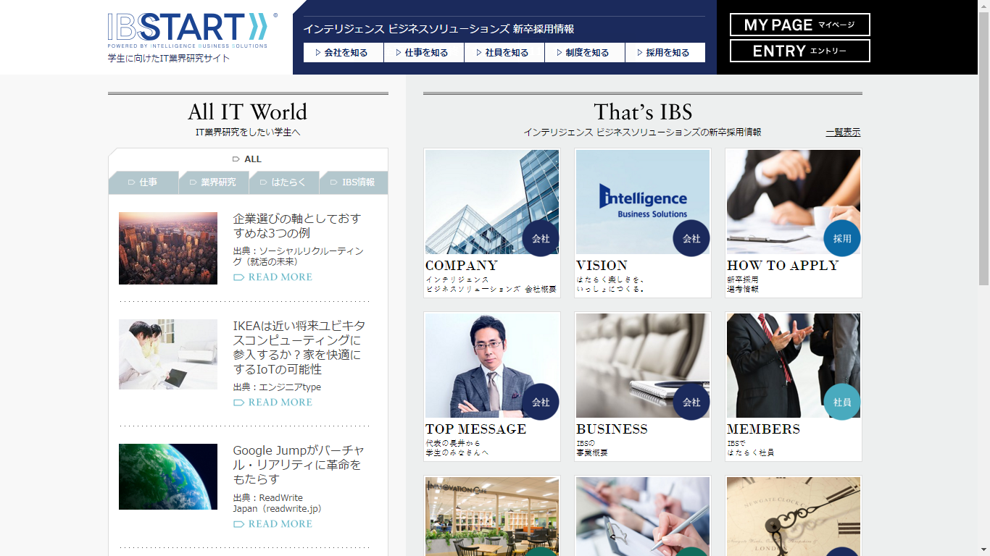

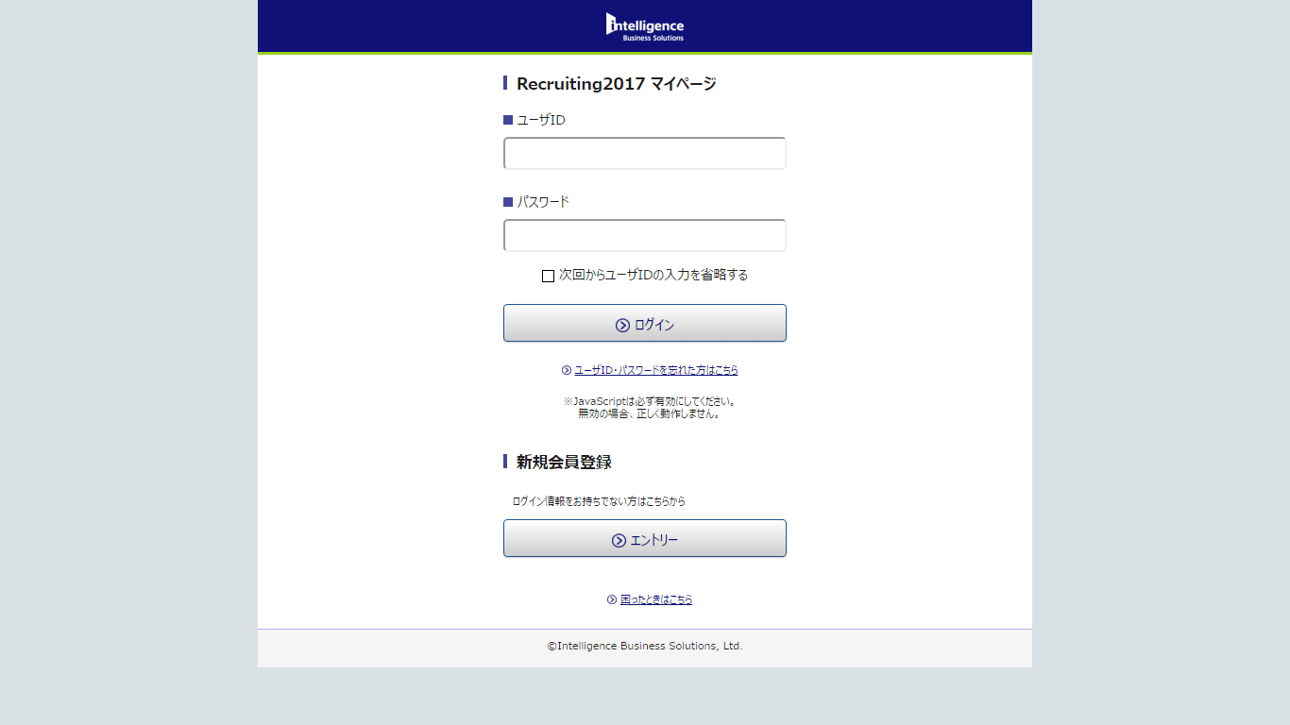

When this button is cliked, please move to this site. The URL is tihs one.
https://recruit.inte.co.jp/ibs2017/front/auth/login-index.asuka
*** Caution ***
Please check every this button!

